Sheet1
A TO K

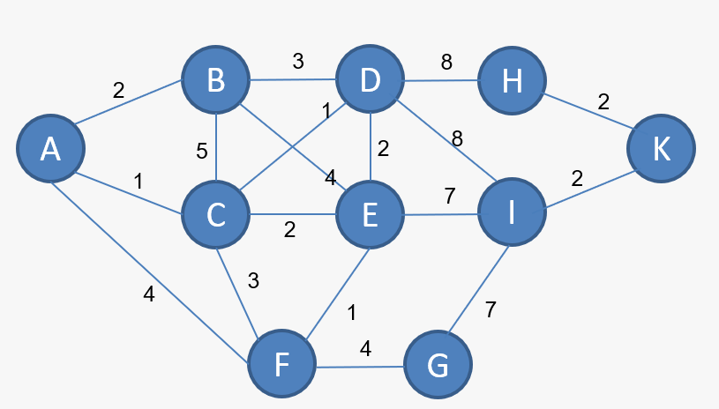
MARK | A | B | C | D | E | F | G | H | I | K
A | 0 | 2A | 1C | ~ | ~ | 4A | ~ | ~ | ~ | ~
C | 0 | MIN(2A, 1C + 6C) 2A | 1 | 1A + 1C 2C | 1A + 2C 3C | 1A + 3C 4C | ~ | ~ | ~ | ~
B | 0 | 2 | 1 | MIN(2C, 2A + 3B) 2C | MIN(3C, 2A + 4B) 3C | 4C | ~ | ~ | ~ | ~
D | 0 | 2 | 1 | 2 | MIN(3C, 2C + 2D) 3C | 4C | ~ | 2C + 8D 10D | 2C + 8D 10D | ~
E | 0 | 2 | 1 | 2 | 3 | MIN(4C, 3C + 1E) 4C | ~ | 10D | MIN(10D, 3C + 7E) 10D | ~
F | 0 | 2 | 1 | 2 | 3 | 4 | 4C + 4F 8F | 10D | 10D | ~
G | 0 | 2 | 1 | 2 | 3 | 4 | 8 | 10D | MIN(10D, 8F + 7G) 10D | ~
H | 0 | 2 | 1 | 2 | 3 | 4 | 8 | 10 | 10D | 10D + 2H 12H
I | 0 | 2 | 1 | 2 | 3 | 4 | 8 | 10 | 10 | MIN(12H, 10D + 2I) 12H
K | 0 | 2 | 1 | 2 | 3 | 4 | 8 | 10 | 10 | 12

RESULT : | K - H - D - C - A | = | A - C - D - H - K

